Test Cases
Test Executed By
Product Name |  | ccV1 Resume Analyzer | TC Start Date | 11/30/2023 | TC Execution Start Date |  |  |  |  |  | TEST STATUS |  | TEST CASE
Module/Service Name |  | Footer | TC End Date |  | TC Execution End Date |  |  |  |  |  | PASS |  | 0
 |  |  | Test Case Developed By | Rubaiyat E Mohammad | Browser (tested) | Microsoft Edge |  |  |  |  | FAIL |  | 0
Developer Name (TL) |  |  | Test Case Reviewed By | Shafin Rahman | Performance (tested) |  |  |  |  |  | TOTAL
Test Executed by

#SL | Module/Service | Type of Testing | Features | Test Cases | Exepected Result | Actual Result | Test Data | Reproducing Steps | Bug Screen Shot | Dev Comments | Final Status | Review Status | Remarks
TC-001 | PRODUCTS & SOLUTIONS | Browser Compatibility Testing |  | PRODUCTS & SOLUTIONS showing on microsoft edge browser | Showing perfectly | As expected

TC-002 |  | UI Testing | All Products | Hovering over All products link is highlighting | Link is highlighting with an underline | As expected
TC-003 |  |  |  | Grammar check and spelling check on welcome screen of All Products module | No mistake exepected | Missing Space in "Birdseye" | https://ns26njj87sh.dataflightit.com/app/docs/productdocs/product-docs/all |  | 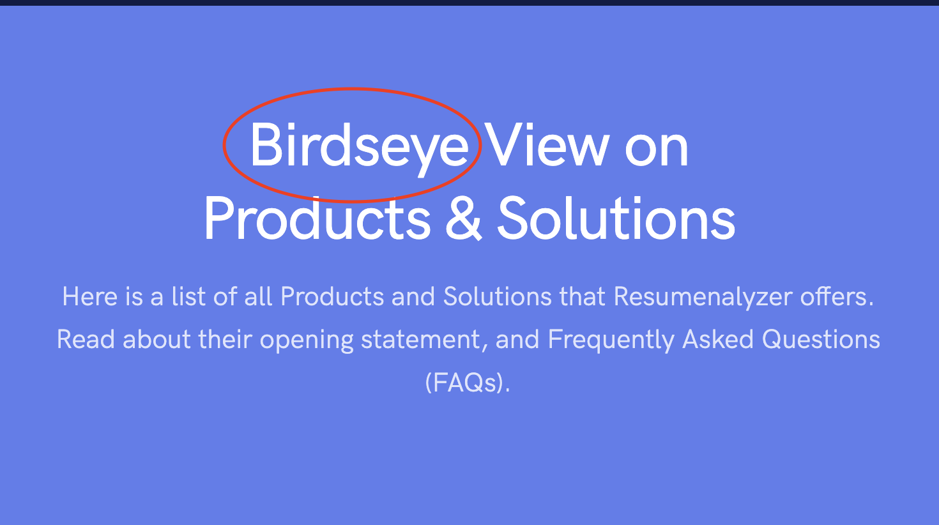
TC-004 |  |  |  | Checking text formatting of Universal and Proficiency explanation lines | Bullet point can make those lines more precise | Used (a), (b), (c) instead of bullet points | https://ns26njj87sh.dataflightit.com/app/docs/productdocs/product-docs/all |  | 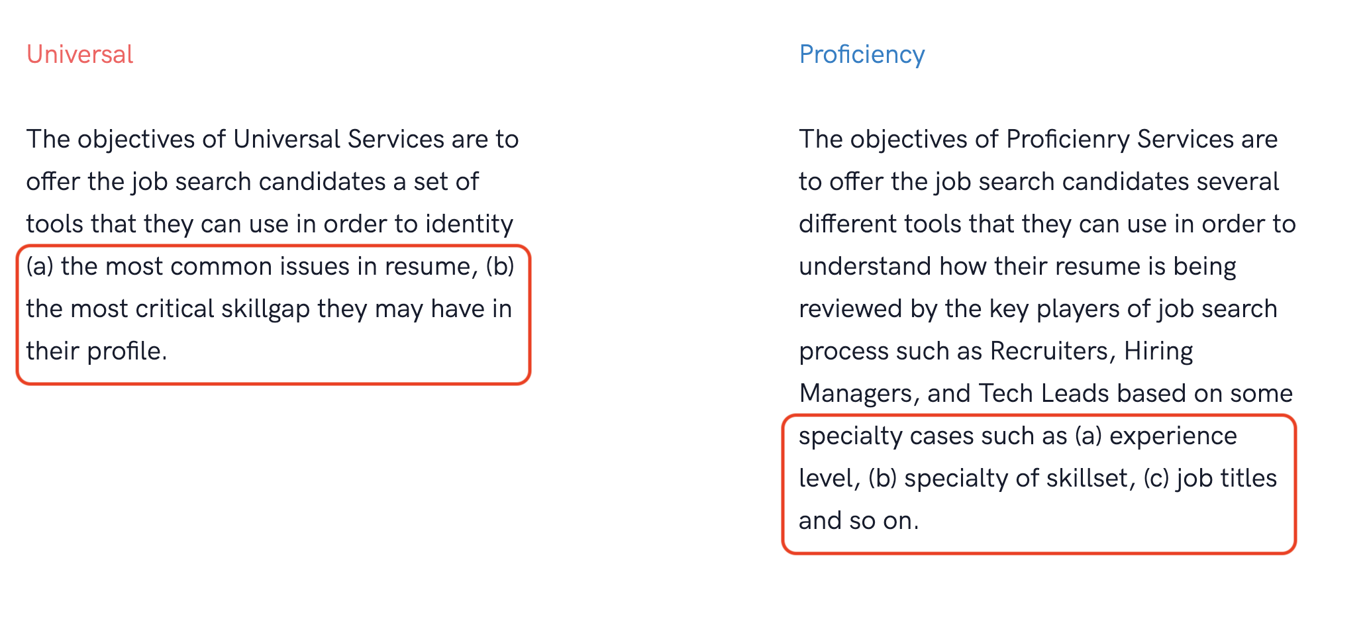
TC-005 |  |  |  | Hovering over each PRODUCT HOME & FAQS links are highlighting | Links are highlighting with an underline | As expected
TC-006 |  |  |  | Testing graphics of all cards which is presenting services | Relevant pictures expected | Picture missing in Strategy Services card | https://ns26njj87sh.dataflightit.com/app/docs/productdocs/product-docs/all |  | 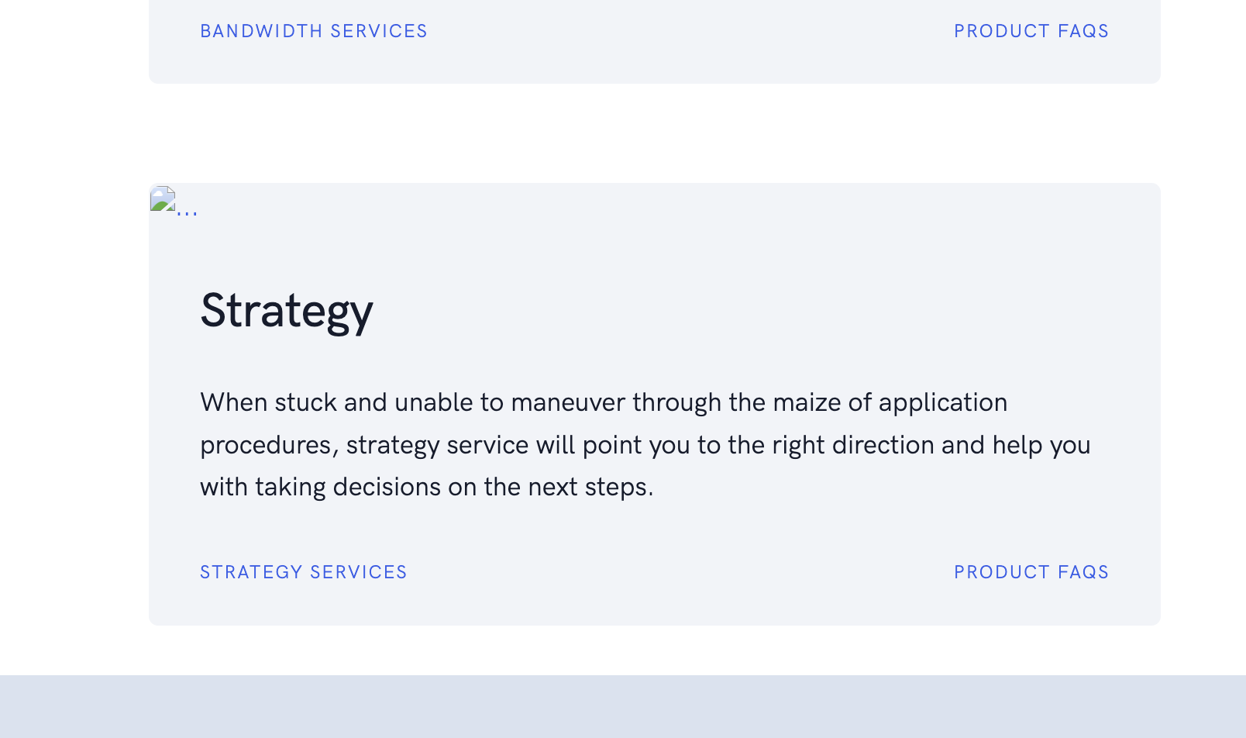
TC-007 |  |  |  | Testing grammars and spelling of all cards which is presenting services | No grammatical or spelling mistake | Missing space in Adhoc card | https://ns26njj87sh.dataflightit.com/app/docs/productdocs/product-docs/all |  | 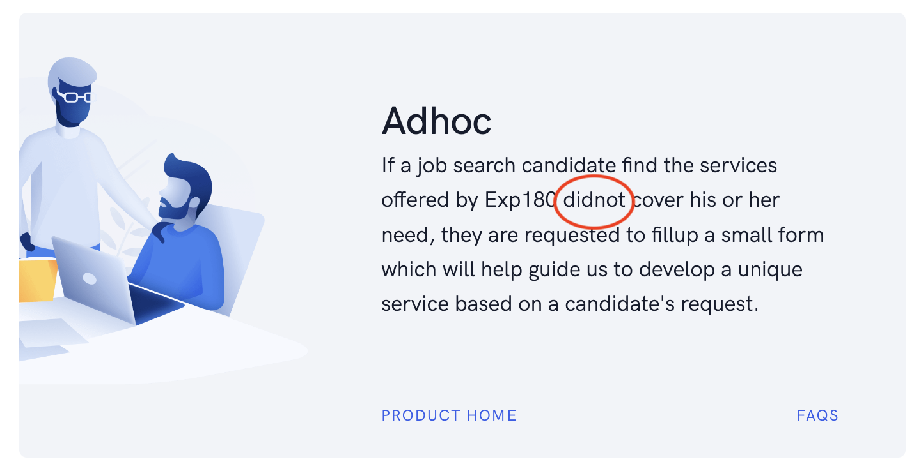 |  |  | Pending
TC-008 |  |  |  | Testing grammars and spelling of all cards which is presenting services | No grammatical or spelling mistake | Spelling mistake in Identity card | https://ns26njj87sh.dataflightit.com/app/docs/productdocs/product-docs/all |  | 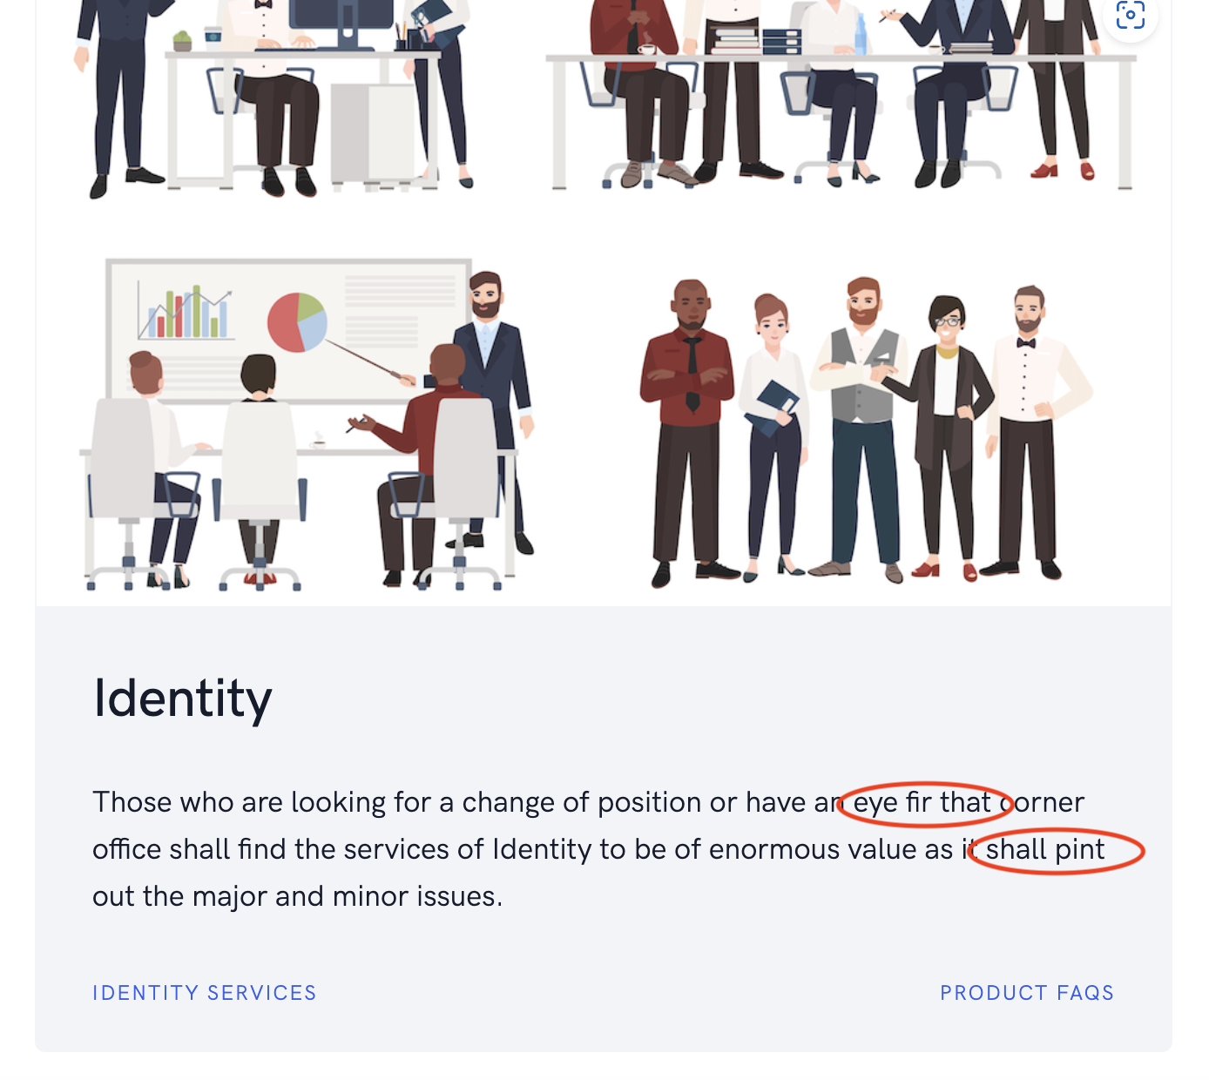
TC-009 |  |  |  | Details line of Need Help module | No mistake in speech | Mistake occurs, ("we're" should be "you're"). This issue occurs in every services Need Help module | https://ns26njj87sh.dataflightit.com/rw/service/exp180/how-it-works |  | 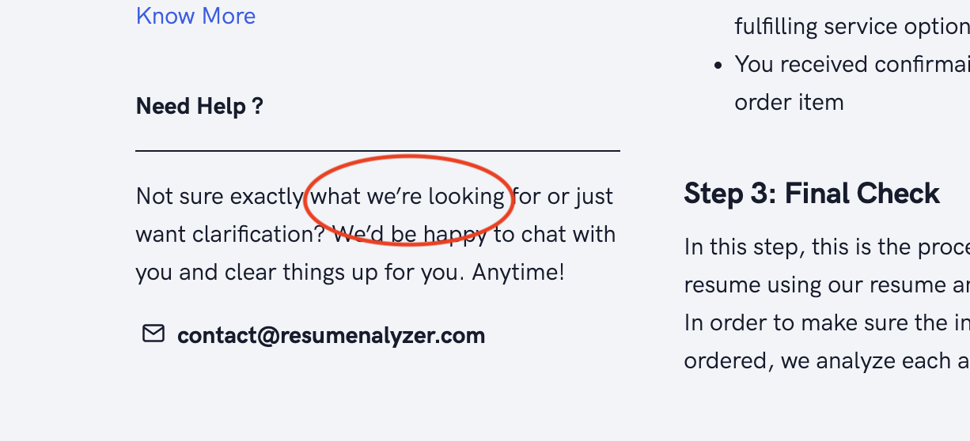 |  |  |  | This
TC-010 |  |  |  | Details line of "How do I request for a refund?" | No grammatical or spelling mistake | Capitalizaiton error. This issue occurs in every services "How do I request for a refund?" module | https://ns26njj87sh.dataflightit.com/app/docs/productdocs/product-docs/faq/general |  | 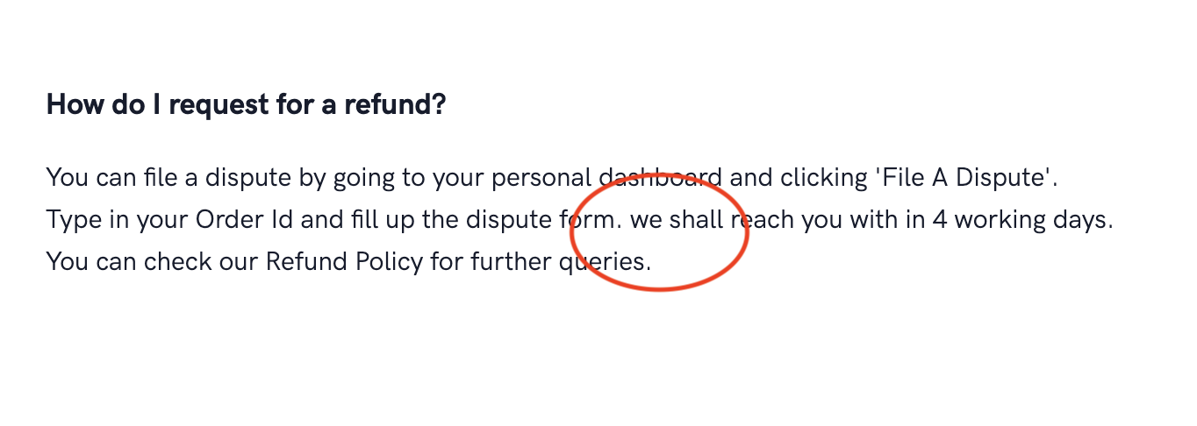
TC-011 |  |  |  | Details line of "What are the major benefits of registration or membership?" | No mistake in speech | Mistake occurs, ("Should" should be "if"). This issue occurs in every services | https://ns26njj87sh.dataflightit.com/app/docs/productdocs/product-docs/faq/general
TC-012 |  |  |  | Details line of "How do I change my email address associated to my account?" | No mistake in speech | Mistake occurs, ("Should" should be "if").This issue occurs in every services | https://ns26njj87sh.dataflightit.com/app/docs/productdocs/product-docs/faq/general
TC-013 |  |  |  | Use cases of Exp180 service | No repeatative speech | Repeatative speech found | https://ns26njj87sh.dataflightit.com/rw/service/exp180/use-cases |  | 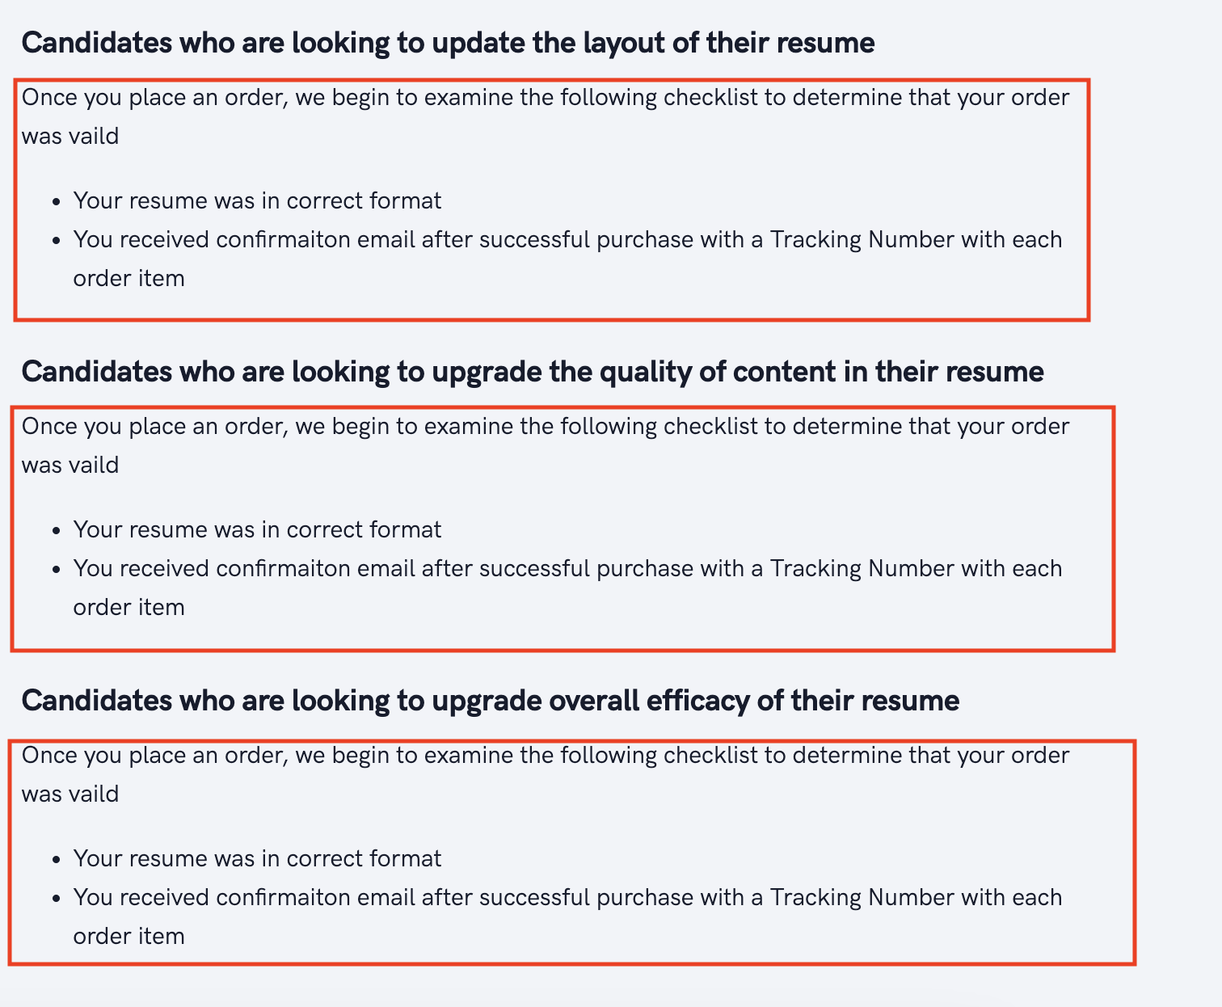
TC-014 |  |  |  | Delivery Method of Exp180 service | No grammatical or spelling mistake and no irrelivant speech | Speace missing in words "do not", irrelivant speech found. This issue occurs in every services delivery method. | https://ns26njj87sh.dataflightit.com/rw/service/exp180/product-delivery-methods |  | 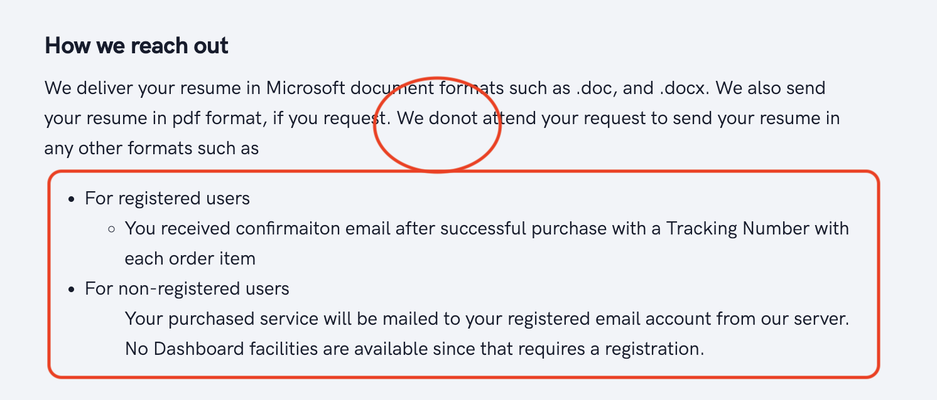
TC-015 |  |  |  | Deliverables of Exp180 | No grammatical or spelling mistake and no irrelivant speech | Speace missing in words "do not", irrelivant speech found. This issue occurs in every services deliverables. | https://ns26njj87sh.dataflightit.com/rw/service/exp180/product-delivery-methods
TC-016 |  |  |  | Capitalization and grammatical issues in "Delivery integrety policy" | No grammatical error | "K" should be capital in the word "knowing" and space missing in words "do not". This issue occurs in every services delivery integrity policy | https://ns26njj87sh.dataflightit.com/rw/service/exp180/product-delivery-methods
TC-017 |  |  |  | Grammar and speech in service comparison | No grammatical and speech error | Missing space in words "Bandwidth Personalized | https://ns26njj87sh.dataflightit.com/rw/service/exp180/service-comparison |  | 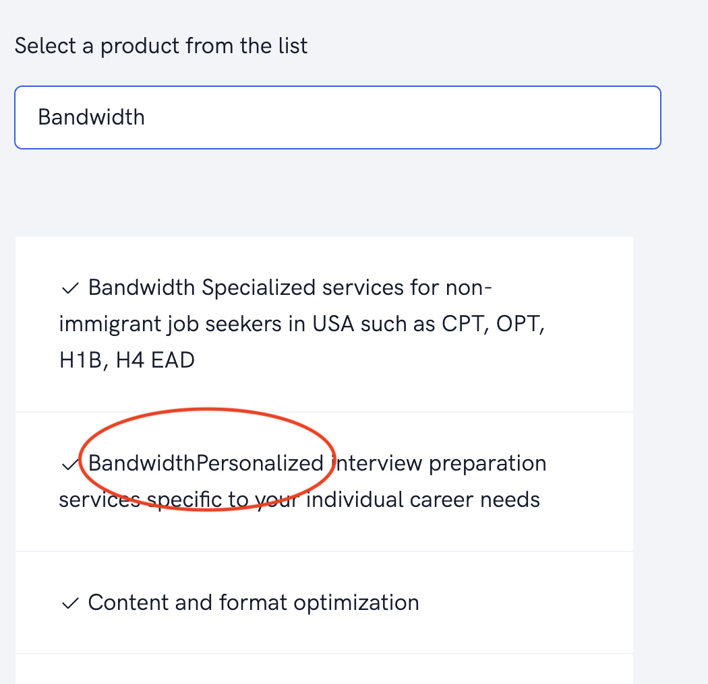
TC-018 |  |  |  | Checking speeches in general FAQS of Exp180 service | No grammar or spelling error | Space missing in words "does not". This issue occurs in evry services FAQS | https://ns26njj87sh.dataflightit.com/rw/service/exp180/faq |  |  |  |  | Pending
TC-019 |  |  |  | Testing grammatical and spelling issues at product home of Adhoc | No grammar or spelling error | Space in words "did not" | https://ns26njj87sh.dataflightit.com/app/adhoc/home |  | 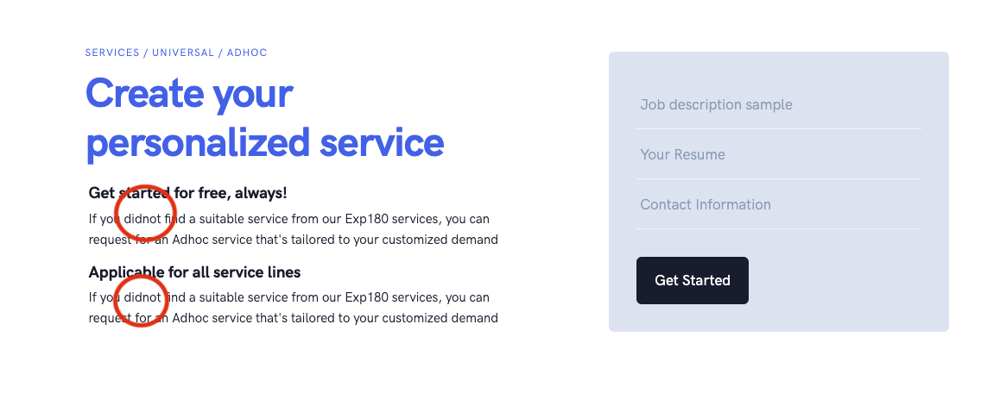 |  |  | Pending
TC-020 |  |  |  | Testing grammatical and other issues at Adhoc Key Influences | No mistake expected | "W" should be capital on the word "we" and supporting graphical picture is missing | https://ns26njj87sh.dataflightit.com/app/adhoc/home |  | 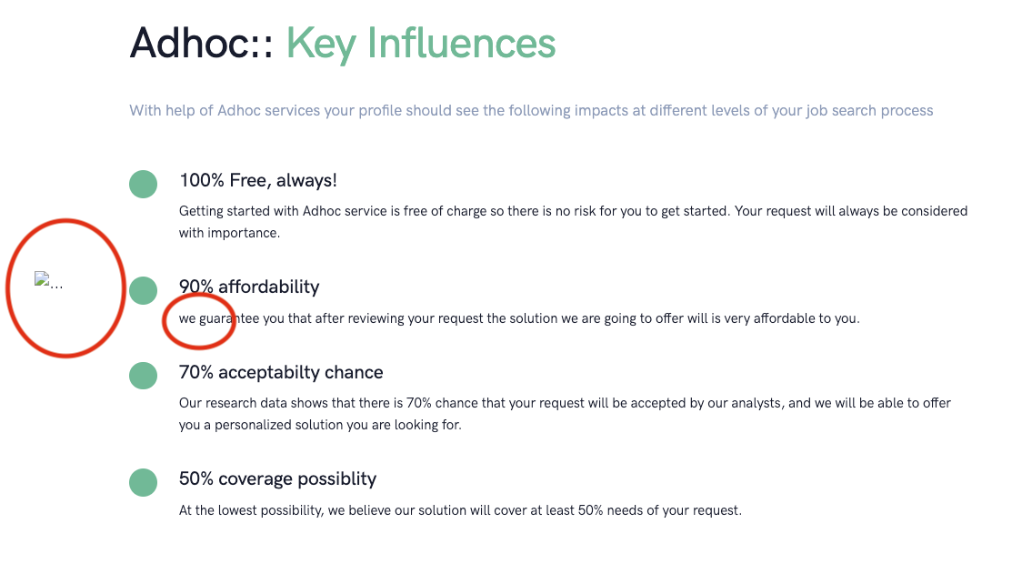
TC-021 |  |  |  | Testing grammatical and other issues at Adhoc User Groups | No mistake expected | Wrong word detected | https://ns26njj87sh.dataflightit.com/app/adhoc/home |  | 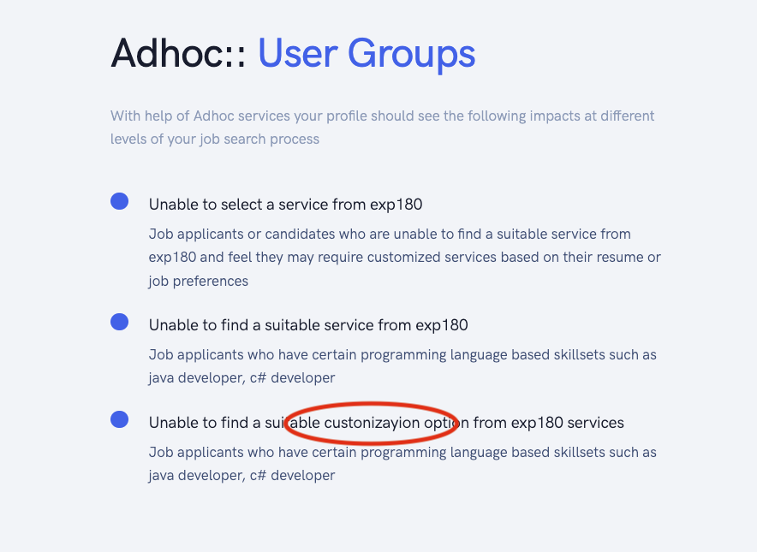
TC-022 |  |  |  | Testing grammatical and other issues at Adhoc service steps | No issues expected | Spelling mistake: "tka" should be "take" | https://ns26njj87sh.dataflightit.com/app/adhoc/home |  | 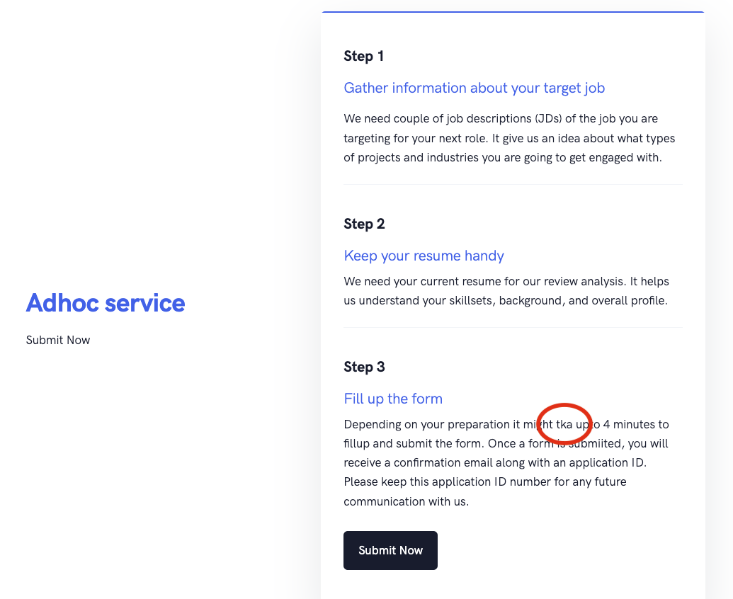 |  |  | Pending
TC-023 |  |  |  | Checking spelling and grammatical errors in Adhoc| About the service | No errors expected | Spelling mistake: "customiztion" should be "customization" | https://ns26njj87sh.dataflightit.com/app/adhoc/how-it-works |  | 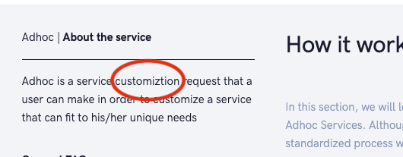 |  |  | Pending
TC-024 |  |  |  | Checking steps of how it works in adhoc | No repeatative steps expected | All steps repeat twice | https://ns26njj87sh.dataflightit.com/app/adhoc/how-it-works |  | 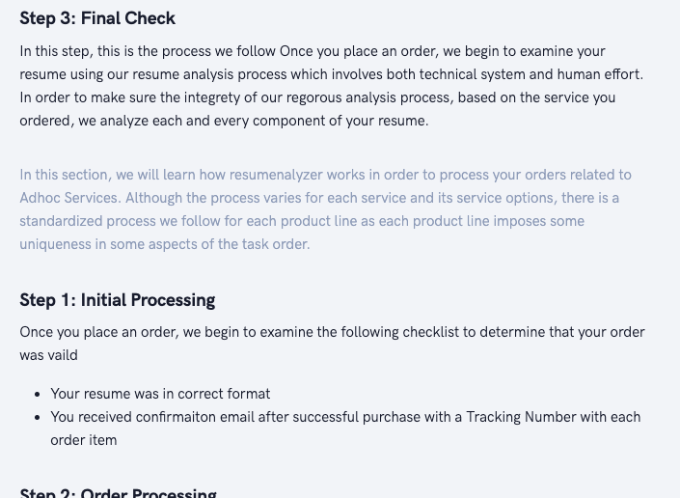
TC-025 |  |  |  | Checking service delivery method of adhoc | No anomaly expected | Bad organization of explanation lines | https://ns26njj87sh.dataflightit.com/app/adhoc/product-delivery-methods |  | 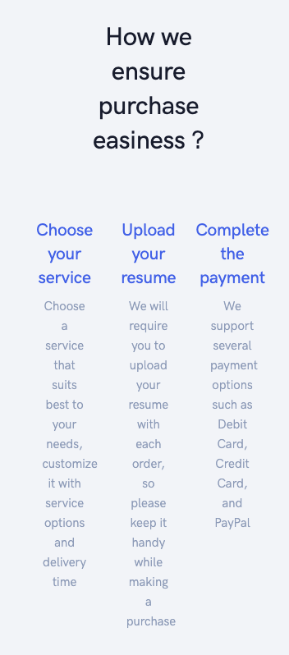
TC-026 |  |  |  | Checking FAQS of Identity service | No spelling mistake expected | Space missing in words "recruiters regarding" | https://ns26njj87sh.dataflightit.com/rw/service/identity/faq |  | 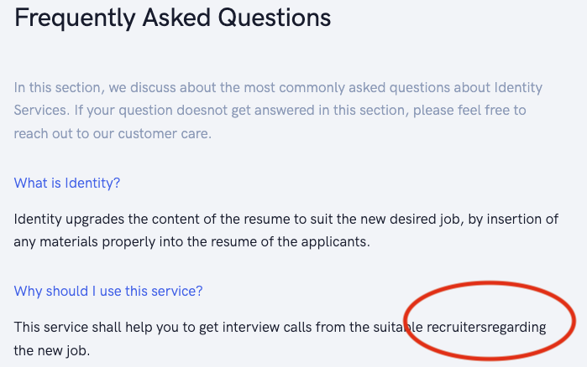
TC-027 |  |  |  | Checking FAQS of Identity service | No grammatical mistake expected | Used two auxiliary verb together (will shall). This issue occurs in every services | https://ns26njj87sh.dataflightit.com/rw/service/identity/faq
TC-028 |  |  |  | Checking FAQS of Identity service | No punctuatipon error expected | Full stop missing. This issue occurs in every services | https://ns26njj87sh.dataflightit.com/rw/service/identity/faq
TC-029 |  |  |  | Delivery Method of Identity service | No grammatical or spelling mistake and no irrelivant speech | Speace missing in words "do not", irrelivant speech found | https://ns26njj87sh.dataflightit.com/rw/service/identity/product-delivery-methods |  |  |  |  | Pending
TC-030 |  |  |  | Checking product home of Identity service | No spelling mistake expected | "frequsently" should be "frequently". This issue occurs in every services General FAQS | https://ns26njj87sh.dataflightit.com/rw/service/identity/all-services |  | 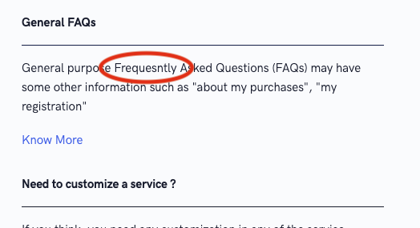 |  |  | Pending
TC-031 |  |  |  | Checking FAQS of Identity service | No spelling mistake expected | Space missing in words "does not". This issue occurs in evry services FAQS | https://ns26njj87sh.dataflightit.com/rw/service/identity/faq
TC-032 |  |  |  | Checking FAQS of Staircase service | No punctuatipon error expected | Full stop missing | https://ns26njj87sh.dataflightit.com/rw/service/bandwidth/faq
TC-033 |  |  |  | Checking Use Cses of Strategy service | No capitalization error expeted | Capitalizaiton error. | https://ns26njj87sh.dataflightit.com/rw/service/strategy/use-cases |  | 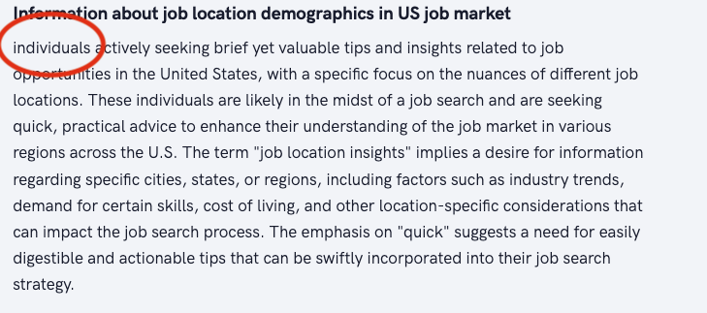
TC-034 |  |  |  | Checking Use Cses of Strategy service | No spelling mistake expected | "Jpb" should be "Job" | https://ns26njj87sh.dataflightit.com/rw/service/strategy/use-cases |  | 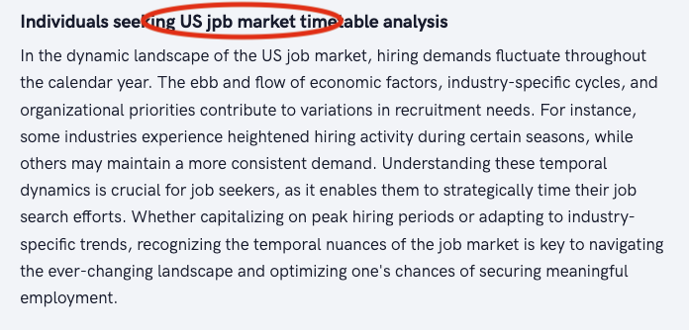 |  |  | Pending

TC-035 |  | Functional Testing |  | All products link is clickable | Clickable | As expected
TC-036 |  |  |  | All products link is navigating to the all products page | All products are showing after clicking on the link | As expected
TC-037 |  |  |  | PRODUCT HOME & FAQS links are clickable | Clickable | As expected
TC-038 |  |  |  | PRODUCT HOME & FAQS links are navigating to the designated pages | Pages are loading perfectly | As expected

TC-001 |  | UI testing | Universal Services | Checking welcome text of universal services | No spelling mistake expected | "commooonly" should be "commonly" | https://ns26njj87sh.dataflightit.com/app/docs/productdocs/product-docs/universal |  | 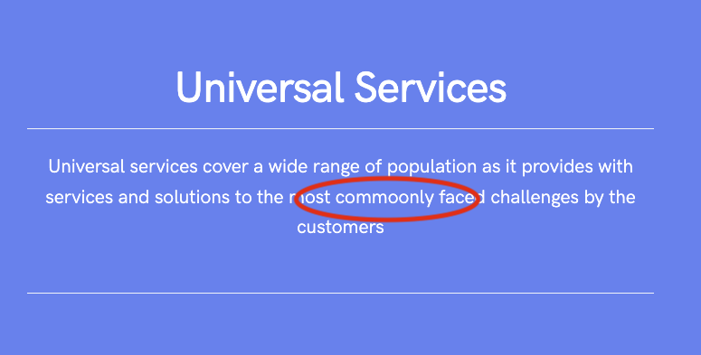 |  |  | Pending
TC-002 |  |  |  | Checking key features of Exp180 | No anomaly expected | Space missing in words "do not" | https://ns26njj87sh.dataflightit.com/app/docs/productdocs/product-docs/universal |  | 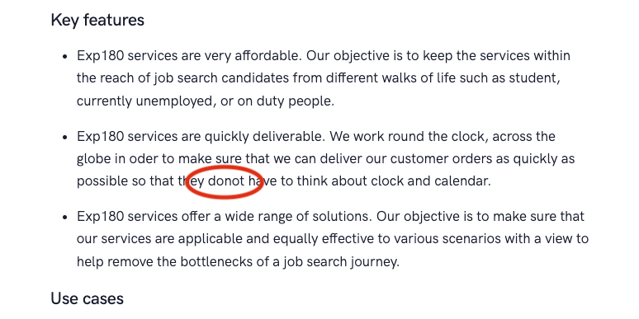 |  |  | Pending
TC-003 |  |  |  | Checking use cases of Exp180 | No spelling mistake expected | "applicaed" shpould be "applicated" | https://ns26njj87sh.dataflightit.com/app/docs/productdocs/product-docs/universal |  | 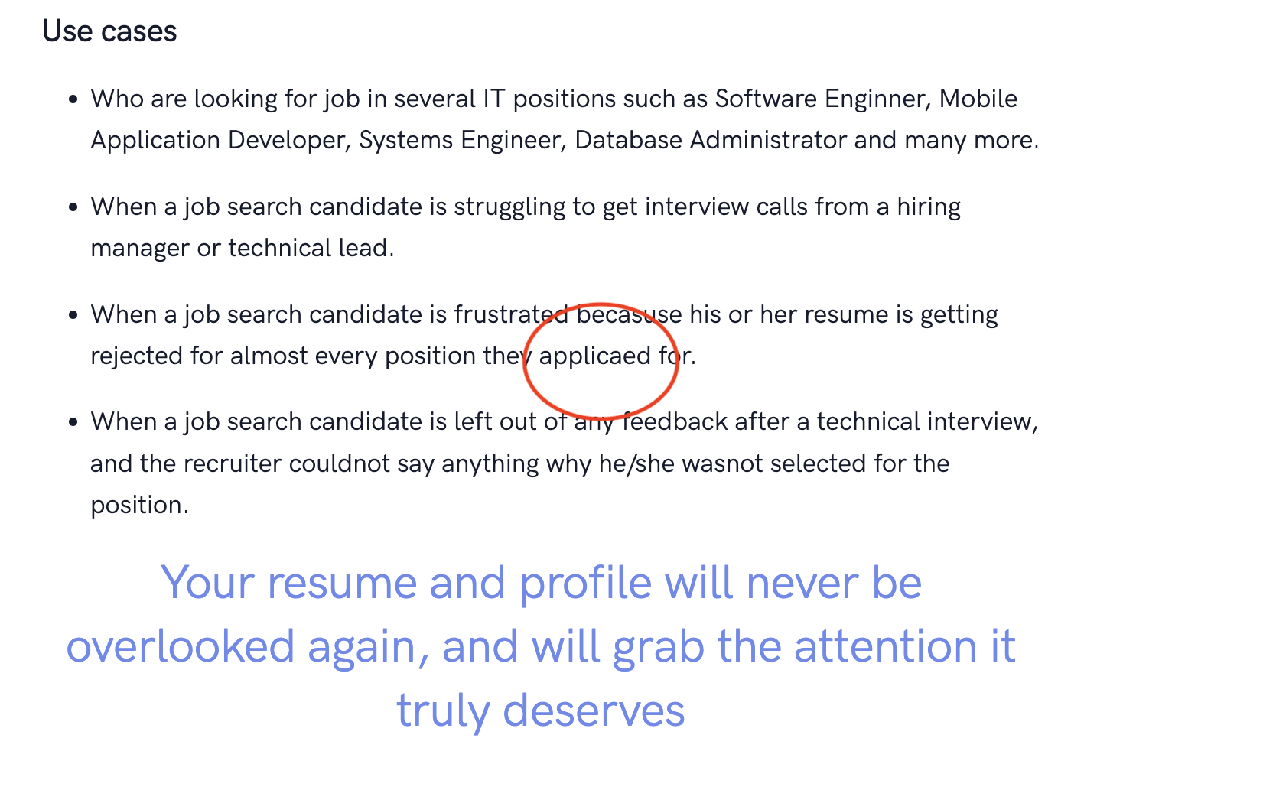

TC-001 |  | UI Testing | Proficiency Services | Checking grammatical & spelling issues in key features of strategy service | No mistake expected | "two fold" should be "two-fold" | https://ns26njj87sh.dataflightit.com/app/docs/productdocs/product-docs/proficiency |  | 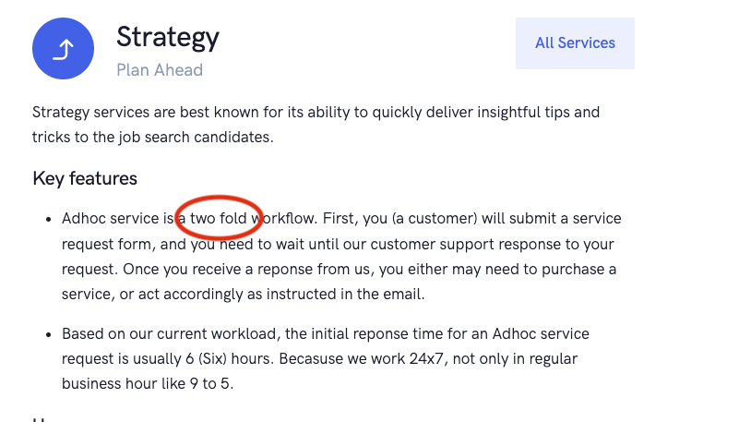
TC-002 |  |  |  | Checking grammatical & spelling issues in key features of dialogue service | No mistake expected | "on duty" should be "on-duty" | https://ns26njj87sh.dataflightit.com/app/docs/productdocs/product-docs/proficiency |  | 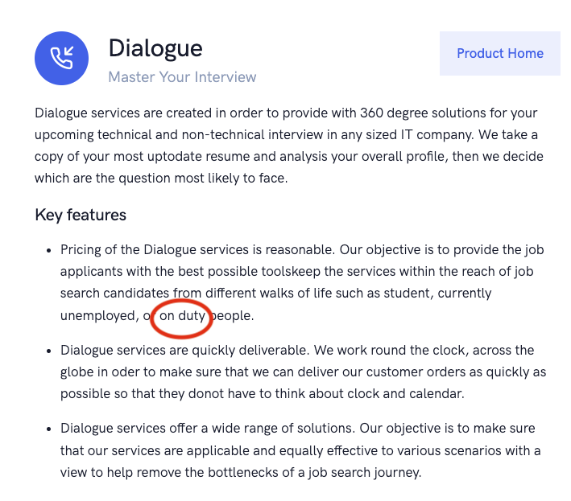
TC-003 |  |  |  | Checking grammatical & spelling issues in key features use cases of dialect service | No mistake expected | "Need" should be "needs". "helps" should be "help". "the" should be "a". (This issue also occurs in staircase and strategy service) | https://ns26njj87sh.dataflightit.com/app/docs/productdocs/product-docs/proficiency |  | 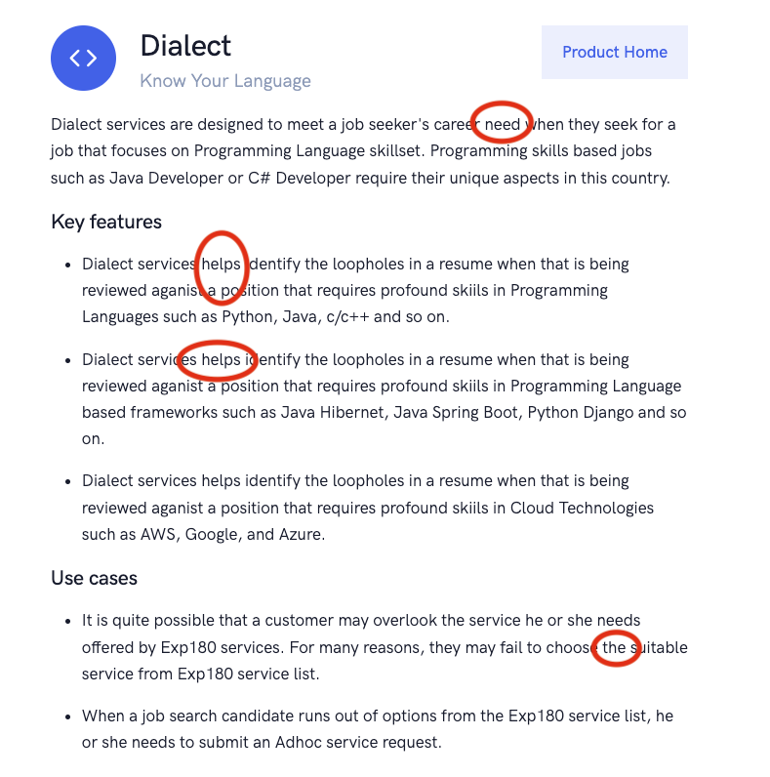
TC-04 |  |  |  | Checking grammatical & spelling issues in key features & use cases of bandwidth service | No mistake expected | "needs of the job" should be "needs the job". "USA Citizen" should be "US Citizen". "helps' should be "help". | https://ns26njj87sh.dataflightit.com/app/docs/productdocs/product-docs/proficiency |  | 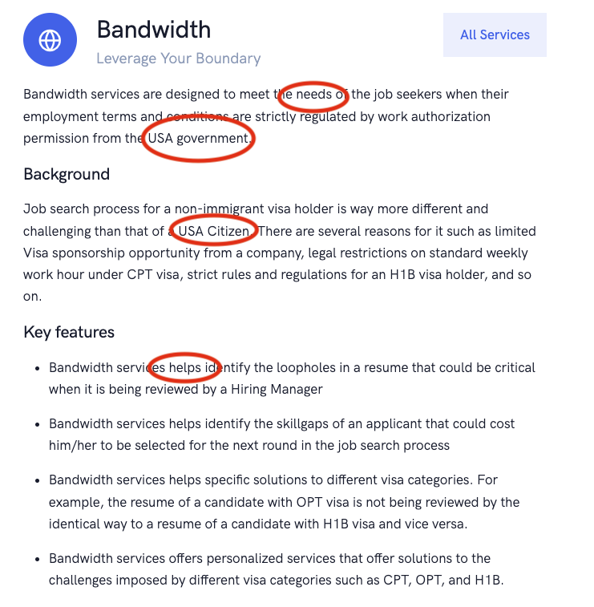
TC-05 |  |  |  | Checking grammatical & spelling issues in key features & use cases of staircase service | No mistake expected | Slogan line missing | https://ns26njj87sh.dataflightit.com/app/docs/productdocs/product-docs/proficiency |  | 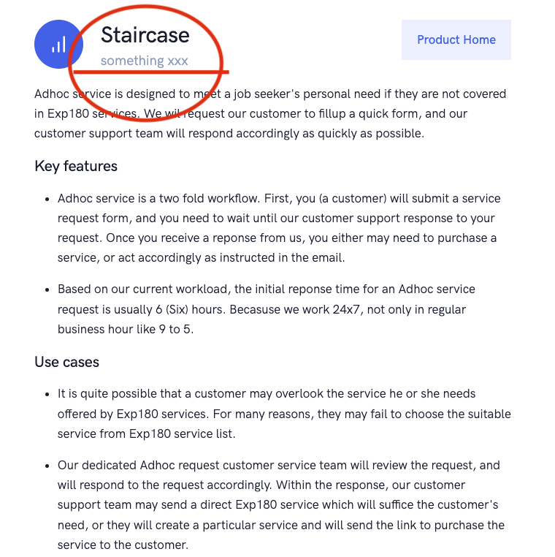

TC-001 | Help & Support | UI testing | Contact us | Checking welcome note of contact us module | No spelling mistake expected | "memebership" should be "membership" | https://ns26njj87sh.dataflightit.com/home/help-center/membership-benefits |  | 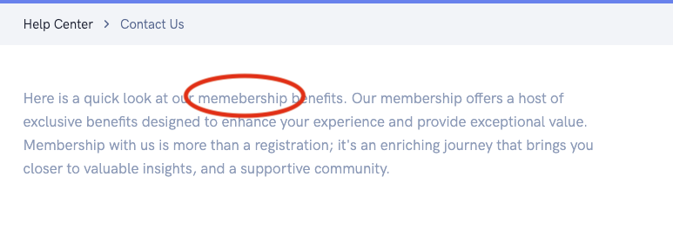
TC-002 |  |  |  | Checking feedbacks & reviews of contact us module | No spelling mistake expected | "did - your" should be "did your" | https://ns26njj87sh.dataflightit.com/home/help-center/membership-benefits |  | 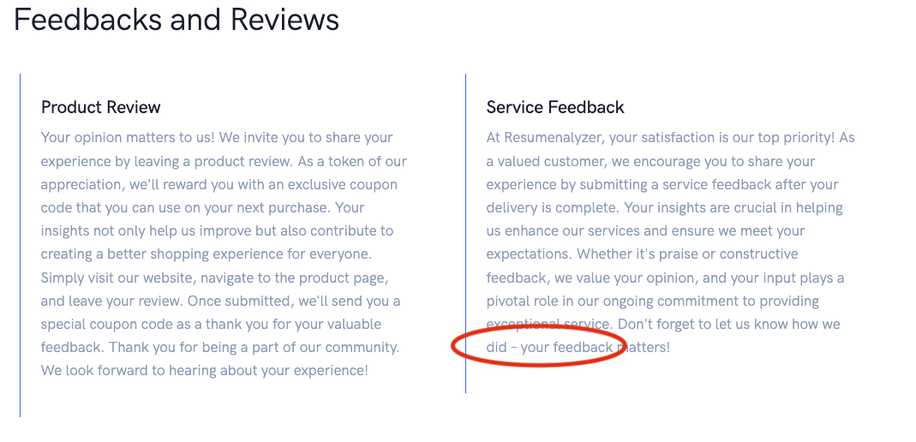
TC-003 |  |  |  | Checking Priorotized Communication of contact us module | No grammatical mistake expected | "comes" should be "come" | https://ns26njj87sh.dataflightit.com/home/help-center/membership-benefits |  | 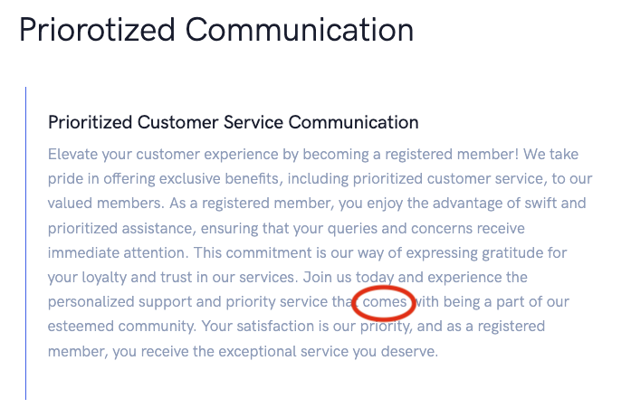
TC-04 |  |  |  | Checking site survey module | No spelling mistake expected | "deliverd" should be "delivered" | https://ns26njj87sh.dataflightit.com/app/actions/help-center/action/site-survey |  | 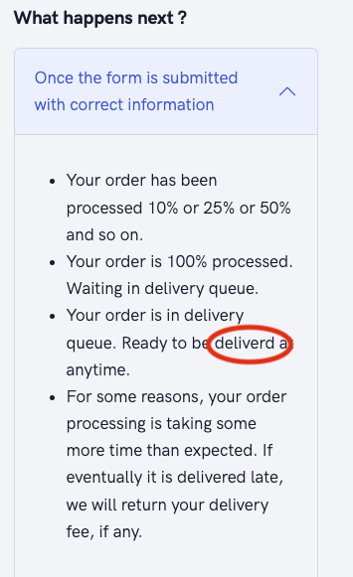
 |  |  | Legal policies

